Basic Level
Vdo 0: Why you should learn Python
1. Very easy to learn
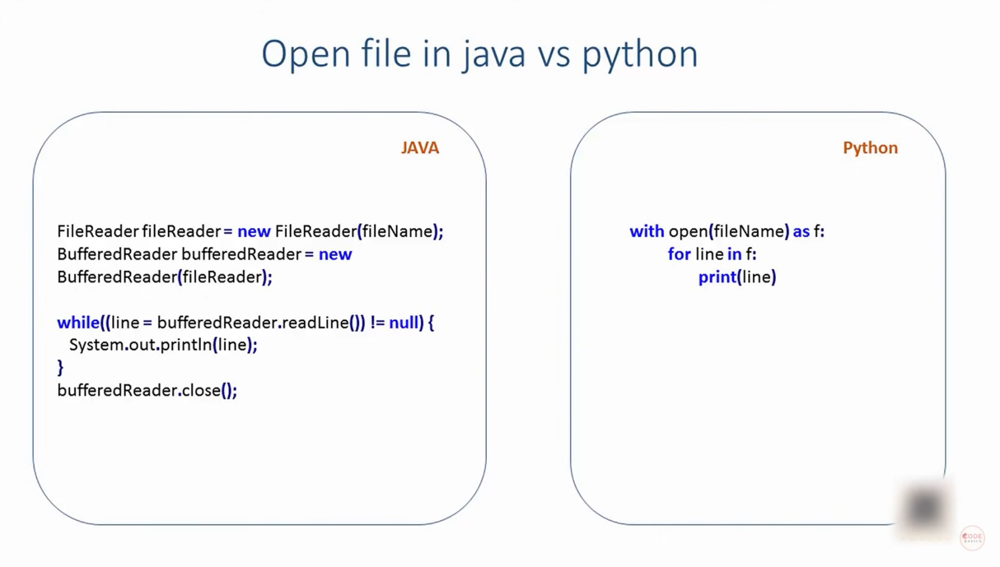

We can observe that python coding is more similar to english language

2. We can develop python code much faster than other languages
The reasons are
1. Python syntax is easy, so it is easy to remember
2. Python is compiled language
In C, we take more time in compiling than developing code
Reference videos
Compiled Vs Interpreted language
https://www.youtube.com/watch?v=I1f45REi3k4
https://www.youtube.com/watch?v=e4ax90XmUBc
Python is compiled as well as interpreted
https://www.youtube.com/watch?v=0BhSWyDEDC4
How python works with interpretor and compiler
https://www.youtube.com/watch?v=BkHdmAhapws
3. Python have libraries which consists of already written code for most of the things
All libraries are opensource

3. Use heavily in
Data science
Machine Learning
Scientific Computing

4. Plenty of Job Oppurtunities

Vdo 1: Install Python on windows
1.1. Installing python
1. Go to Pyhton.org
2. Click on downloads
3. Click on download required version to dowload the setup file
4. Run pyhton setup with checking add python 3.5 to path
5. select customised installation and install it for all users
6. Click install

1.2. Checking weather python is installed or not
Method 1
1. Click start
2. search IDLE and open it
3. This opens the python shell to write python code

Method 2
1. Open command prompt
2. Type python and press enter
3. Now command prompt will behave same like IDLE
4. IDLE is better than cmd prompt as it has some extra features

1.3. Path selection in command prompt
1. If we didn’t check the path while installing python (as in Row 50)
2. Then press Start and open Edit the System Environment Variable
3. Click on advanced tab and then click Environment variable
4 Press path in system variables
5. Click edit
6. Paste the python path there and click ok

Vdo 2: Variables in python
Variables are containers that can store any data
Refer Python - Guvi Excel File (Intermediate Module)

Vdo 3: Numbers in python
Refer Python - Guvi Excel File (Beginner Module)
Rounding off is also available in Python (Similar to Excel)
It follows BODMAS Rule
B - Brackets
O - Order of powers or roots
D - Division
M - Multiplication
A - Addition
S - Subtraction

Sometimes 6-5.7 will be given as 0.299999999999
This is because float is not stored accurately in binary codes
So, these kind of mild inaccuracy will occur sometimes
This is not only in python, It will occur in all languages

Vdo 4 : Strings in python
Refer Python - Guvi Excel File (Intermediate Module)

Vdo 5 : Lists in python
Refer Python - Guvi Excel File (Advanced Module)

Vdo 6 : Installing Pycharm
Go to google
Download pycharm setup file from jetbrains.com
Check .py and create desktop icon during installation

Vdo 7 : Debugging

Vdo 12.1 : Install Python module
Click start and type cmd
Right click command prompt and run as administrator
First check weather the reqd module is installed or not
To check that, type python and press enter
Then type import matplotlib and press enter
If it is not installed, it will show error
Type the name of reqd module in place of matplot lib
Then type pip install matplotlib
To uninstall use pip uninstall matplotlib

python -m pip --version | gives Version of pyhton and pip
python -m pip install --upgrade pip | To upgrade pip
python -m pip list | To find the available packages installed
python -m pip install camelcase | To install a package
python -m pip uninstall camelcase | To uninstall a package

Modules / Packages
Someone written the programmes already and made it as module
We can just import and use it
import math as ma
ma.sqrt(16)
4
import math as ma
ma.pow(2,5)
32
No need to write new code for square root or power
To find all available functions in math module
import math as ma
dir(ma)
Or you can google it

We can also form our own module
if module name is mod1
import mod1
Then we can use it in our program
But it works only when it is in same location of the code

If it is in a folder in the same location of the code
Then if the folder's name is Folder1
import Folder1.mod1

If the function is somewhere else
Then we have to use system module
import sys
sys.path.append(Path of the file) | This will add the path to the function. So it can use directly
import function

